Instructions
Instructions/Notes

I. | Purpose/Disclaimer
 | This document is part of the City of Milpitas's Solid Waste Development Guildelines, to assist with estimating solid waste material at a particular type of facility. All information used in the development of the calculation formulas was found in resources from CalRecycle's and the EPA's website. Please note that these numbers represent an average and your facility may produce more or less than the estimated amount. We cannot verify the accuracy of the calculations but it can be used as an estimate for planning purposes. Referenced websites and data can be found in the Resource Links section of these notes. Notes: The Organics material waste streams (Food Waste and Yard Trimmings) should not be placed into compactors; to reflect this, even if you select "Yes" for compactor use, the calculations would not be made for these streams. The Other material waste stream does not have cubic yard calculations because these are specialized waste material that need to be handled through specialized programs (e.g.: The County of Santa Clara's Small Quantity Generator HHW program, specialized E-waste collection companies, pallets that are recycled/reused, etc.)

II. | Directions
 | 1. Go to the tab labeled "Calculation Sheet" (Green colored tab)

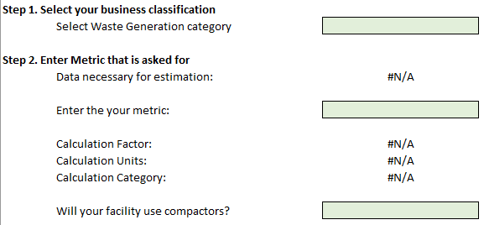
 | 2. Enter the necessary information (in the Green boxes)
 |  | A. Select your facility type in the Waste Generation Categories box
 |  | B. Enter the requested information of your facility into "Metrics" box
 |  | C. Select whether or not compactors will be used

 | 3. Go to the WGE tab (Blue colored tab) and hide (or delete) the tables that do not have any values by clicking the "-" to minimize boxes on the left side of the sheet.

 | 4. Screenshot the Calculations box for your facility type and place it into your Solid Waste Management Plan submittal

III. | Resources
 | All information used in the calculations can be found in the following locations/documents:
 | Residential Waste Stream: |  | https://www2.calrecycle.ca.gov/WasteCharacterization/ResidentialStreams
 | Commercial Waste Stream: |  | https://www2.calrecycle.ca.gov/WasteCharacterization/BusinessGroupStreams
 | Waste Generation rates: |  | https://www2.calrecycle.ca.gov/WasteCharacterization/General/Rates
 | Waste Studies: |  | https://www2.calrecycle.ca.gov/WasteCharacterization/Study
 | EPA Volume-to-Weight study: |  | https://www.epa.gov/sites/default/files/2016-04/documents/volume_to_weight_conversion_factors_memorandum_04192016_508fnl.pdf

IV. | Contact and Questions
 | If there are any question regarding this waste estimation calculator, contact the Solid Waste Team at: |  |  | MilpitasRecycles@milpitas.gov

V. | Version History
 | Version | Release Date | Notes
 | 1.0 | 2022-03-01 | Initial Release
 | 1.1 | 2022-03-02 | Edits and formatting
 | 1.2 | 2022-03-15 | Added Contact information for questions
 | 1.3 | 2022-05-02 | Added conversion from cubic yards to gallons, updated contact email, and separated gallon conversion for Recycling due it being a "Dry" stream
 | 1.4 | 2023-06-27 | Added Small Manufacturing (SMI) and Office/Administration (OA) as a category, adjusted calculations based on reworld observations
 | 1.5 | 2023-11-06 | Adjusted Estimated Recycling based on feedback from field analyses
 | 1.6 | 2025-04-30 | Corrected mispelled word(s) and formatting issues
 | 1.7 | 2025-08-12 | Corrected calculation formulas for several categories

